Aho-Corasick-Suffix Trie
Tries suffix
Rama de sufbijo

ABABACA

A
C

B
B
C

A
A

A
A
B

C
B
A

A
A
C

C

A

A

Suffix Tree
ABABACA$
01234567
 | Representacion
 |  | $ | A | B | C
$
C
 | Start | 7 | 0 | 1 | 5
A
B
 | End | 7 | 0 | 1 | 7
A
 | Child

7
B
A
A
$
$
C
A
A
A
B
C
A
$
A
5
6
C
$

C
B
A
4
A
A
$
3

$
C
A
1
$
2

0

Ukkonen
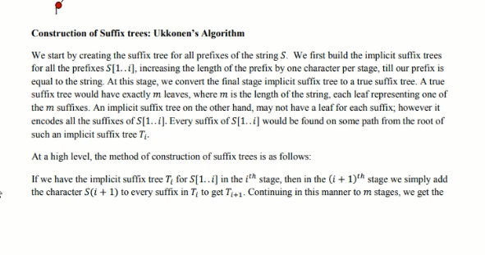
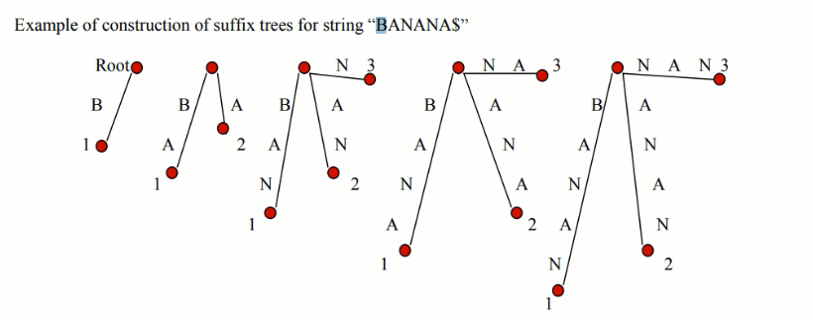

C
C
A
ABABACA
3
3
Root
B
B
A
B
A
A
A
A
A
B
A
A
A
B
B
3
A
B
B
B
B
A
B
B
B
B
A
B
A
A
B
A
A
A
2
A
A
A
1
1
B
B
C
B
C
2
B
1
A
A
A
A
2
2
C
2
C
1
1
A
2

1
1

